Dashboard
Dashboard: Direct Claims Management

 | Total
Q2-RM001 | 1
(blank)
COMPLAINT ANALYSIS
 | Q2-RM001
FER | 1

 | Row Labels | Count of NOTIFICATION NO
 | Q2-RM001 | 1
 | (blank)
 | Grand Total | 1

Value Stream wise Analysis
 | Total
MFN2 | 1

 | Q2-RM001
Jan | 1

Department Wise Analysis

 | Total
Grand Total
Vendor Analysis 2019
 | Q2-RM001 | Q2-RM002
BAJAJSONS LIMITED | 4 | 5
Burgmaier Precision Slovakia s.r.o. | 1 | 1
CENGIZ MAKINA Sanayi ve Ticaret A.S |  | 2
CNC AUTOMOTIVE | 2 | 2
Elite Auto Engineers | 1 | 1
FIRAT PLASTIK VE KAUCUK A.S. | 1 | 1
GLOBAL PMX CO., LTD. |  | 1
HELMUT HECHINGER GMBH & CO KG | 1
Hirschvogel Automotive Components |  | 1
Hirschvogel Eisenach GmbH | 1
HOLZHAUER GmbH Co. KG | 1 | 1
Kramski Stamping and Molding India |  | 1
L G BALAKRISHNAN & BROS LTD |  | 2
M G INDUSTRIES |  | 1
Murat Teknik Otomat Sanayi | 1 | 2
Nitesh Auto Engineering Pvt Ltd |  | 3
PATCO PRECISION COMPONENTS PVT. LTD | 1 | 1
PUNE BHAT METALS |  | 1
REICH GMBH |  | 1
SANSERA ENGINEERING PVT LTD | 1 | 1
Shivam Auotech Limited | 1
SINTERWERKE Herne GmbH |  | 1
Turvo International Co., Ltd. |  | 1
VAISHNAVI AUTO P LTD | 6 | 9

 | Count of Notification | Column Labels
 | Row Labels | Q2-RM001 | Q2-RM002 | Grand Total
 | BAJAJSONS LIMITED | 4 | 5 | 9
 | Burgmaier Precision Slovakia s.r.o. | 1 | 1 | 2
 | CENGIZ MAKINA Sanayi ve Ticaret A.S |  | 2 | 2
 | CNC AUTOMOTIVE | 2 | 2 | 4
 | Elite Auto Engineers | 1 | 1 | 2
 | FIRAT PLASTIK VE KAUCUK A.S. | 1 | 1 | 2
 | GLOBAL PMX CO., LTD. |  | 1 | 1
 | HELMUT HECHINGER GMBH & CO KG | 1 |  | 1
 | Hirschvogel Automotive Components |  | 1 | 1
 | Hirschvogel Eisenach GmbH | 1 |  | 1
 | HOLZHAUER GmbH Co. KG | 1 | 1 | 2
 | Kramski Stamping and Molding India |  | 1 | 1
 | L G BALAKRISHNAN & BROS LTD |  | 2 | 2
 | M G INDUSTRIES |  | 1 | 1
 | Murat Teknik Otomat Sanayi | 1 | 2 | 3
 | Nitesh Auto Engineering Pvt Ltd |  | 3 | 3
 | Jan |  | Feb |  | Mar |  | Apr |  | May |  | Jun |  | Jul |  | Aug |  | Sep |  | Oct |  | Nov |  | Dec
Working days |  | Working days |  | Working days |  | Working days |  | Working days |  | Working days |  | Working days |  | Working days |  | Working days |  | Working days |  | Avg lead time - 1 shifts | 15:10:14 | Working days
Avg lead time - 1 shifts |  | Avg lead time - 1 shifts |  | Avg lead time - 1 shifts |  | Avg lead time - 1 shifts |  | Avg lead time - 1 shifts |  | Avg lead time - 1 shifts |  | Avg lead time - 1 shifts |  | Avg lead time - 1 shifts |  | Avg lead time - 1 shifts |  | Avg lead time - 1 shifts |  | HT Lots-Total received | 13392:00:00 | Avg lead time - 1 shifts
HT Lots-Total received |  | HT Lots-Total received |  | HT Lots-Total received |  | HT Lots-Total received |  | HT Lots-Total received |  | HT Lots-Total received |  | HT Lots-Total received |  | HT Lots-Total received |  | HT Lots-Total received |  | HT Lots-Total received |  | Avg GRN booked per day | 1403:04:37 | HT Lots-Total received
Avg GRN booked per day |  | Avg GRN booked per day |  | Avg GRN booked per day |  | Avg GRN booked per day |  | Avg GRN booked per day |  | Avg GRN booked per day |  | Avg GRN booked per day |  | Avg GRN booked per day |  | Avg GRN booked per day |  | Avg GRN booked per day |  |  |  | Avg GRN booked per day
Total Inwarding
 | Skip GRN | GRN Inspected | Total
Nov | 872 | 648 | 1520
Series Inspection Day Wise
 | Jan | Feb | Mar | Apr | May | Jun | Jul | Aug | Sep | Oct | Nov | Dec
Avg GRN cleared under skip per day |  |  |  |  |  |  |  |  |  |  | 34
Avg GRN cleared per day |  |  |  |  |  |  |  |  |  |  | 25
Avrage lead time - in hours |  |  |  |  |  |  |  |  |  |  | 0.21070216049
Skip rate (Without considering HT lots) |  |  |  |  |  |  |  |  |  |  | 91
 | PATCO PRECISION COMPONENTS PVT. LTD | 1 | 1 | 2
 | PUNE BHAT METALS |  | 1 | 1
 | REICH GMBH |  | 1 | 1
 | SANSERA ENGINEERING PVT LTD | 1 | 1 | 2
 | Shivam Auotech Limited | 1 |  | 1
 | SINTERWERKE Herne GmbH |  | 1 | 1
 | Turvo International Co., Ltd. |  | 1 | 1
 | VAISHNAVI AUTO P LTD | 6 | 9 | 15
 | Grand Total | 22 | 39 | 61
...

Lead Time Series
Month | Skip GRN | GRN Inspected | Total | Month | Avg GRN cleared under skip per day | Avg GRN cleared per day | Avrage lead time - in hours | Skip rate (Without considering HT lots) | Month | Working days | Avg lead time - 1 shifts | HT Lots-Total received | Avg GRN booked per day
Nov | 872 | 648 | 1520 | Nov | 34 | 25 | 5:03:25 | 91 | Nov | 26 | 15:10:14 | 558 | 58

 | Jan | Feb | Mar | Apr | May | Jun | Jul | Aug | Sep | Oct | Nov | Dec
Avg GRN cleared under skip per day |  |  |  |  |  |  |  |  |  |  | 34
Avg GRN cleared per day |  |  |  |  |  |  |  |  |  |  | 25
Avrage lead time - in hours |  |  |  |  |  |  |  |  |  |  | 0.21070216049
Skip rate (Without considering HT lots) |  |  |  |  |  |  |  |  |  |  | 91

 | Jan |  | Feb |  | Mar |  | Apr |  | May |  | Jun |  | Jul |  | Aug |  | Sep |  | Oct |  | Nov |  | Dec
Working days |  | Working days |  | Working days |  | Working days |  | Working days |  | Working days |  | Working days |  | Working days |  | Working days |  | Working days |  | Avg lead time - 1 shifts | 15:10:14 | Working days
Avg lead time - 1 shifts |  | Avg lead time - 1 shifts |  | Avg lead time - 1 shifts |  | Avg lead time - 1 shifts |  | Avg lead time - 1 shifts |  | Avg lead time - 1 shifts |  | Avg lead time - 1 shifts |  | Avg lead time - 1 shifts |  | Avg lead time - 1 shifts |  | Avg lead time - 1 shifts |  | HT Lots-Total received | 13392:00:00 | Avg lead time - 1 shifts
HT Lots-Total received |  | HT Lots-Total received |  | HT Lots-Total received |  | HT Lots-Total received |  | HT Lots-Total received |  | HT Lots-Total received |  | HT Lots-Total received |  | HT Lots-Total received |  | HT Lots-Total received |  | HT Lots-Total received |  | Avg GRN booked per day | 1403:04:37 | HT Lots-Total received
Avg GRN booked per day |  | Avg GRN booked per day |  | Avg GRN booked per day |  | Avg GRN booked per day |  | Avg GRN booked per day |  | Avg GRN booked per day |  | Avg GRN booked per day |  | Avg GRN booked per day |  | Avg GRN booked per day |  | Avg GRN booked per day |  |  |  | Avg GRN booked per day

Analysis Sheet
No. of incidences YTD June'19)
Casewise analysis
 | Last Updated |  | 15-Oct-19

 |  | complaint mode
 | Month | Q2-RM001 | Grand Total
 | Jan | 1 | 1
 | Grand Total | 1 | 1

Department wise analysis
Departmentwise Analysis
 | Last Updated |  | 15-Oct-19
 | VS | (All)

 | months |  |  |  |  |  | Count of NOTIFICATION NO | Column Labels
 | month | Q2-RM001 | Subtotal |  |  |  | Row Labels | Q2-RM001 | Grand Total
 | Jan | 1 | 1 |  |  |  | Jan | 1 | 1
 | Subtotal | 1 | 1 |  |  |  | Grand Total | 1 | 1

 |  |  |  |  |  |  |  |  |  | Count of NOTIFICATION NO | Column Labels
 |  |  |  |  |  |  |  |  |  | Row Labels | Q2-RM001 | Grand Total
 |  |  |  |  |  |  |  |  |  | FER | 1 | 1
 |  |  |  |  |  |  |  |  |  | Grand Total | 1 | 1

 | Row Labels | incidences
 | MFN2 | 1
 | Grand Total | 1

Update

 | Sr. No. | Supplier list |  | Q2-RM001 | Q2-RM002 | Total
 | 1 | KAIZEN MEASURING SYSTEMS (P) LTD. |  | 0 | 0 | 0
 | 2 | TYROLIT LIMITED |  | 0 | 0 | 0
 | 3 | SCHWEGLER WERKZEUGFABRIK GMBH & CO. |  | 0 | 0 | 0
 | 4 | Kiran Engineering Works |  | 0 | 0 | 0
 | 5 | KENNAMETAL INDIA LIMITED |  | 0 | 0 | 0
 | 6 | Iscar Ltd. |  | 0 | 0 | 0
 |  | CAP-Vakuform GmbH |  | 0 | 0 | 0
 |  | MEISTER ABRASIVES AG |  | 0 | 0 | 0
 |  | GUHRING INDIA PRIVATE LTD |  | 0 | 0 | 0
...

Digital Heijunka
...
GREEN ZONE D4 < 8 D8 < 45

Send Email
 | Sr no. | Q2 | Part No. | Complaint date
...
 | 16
 | 17
 | 19
 | 20
...
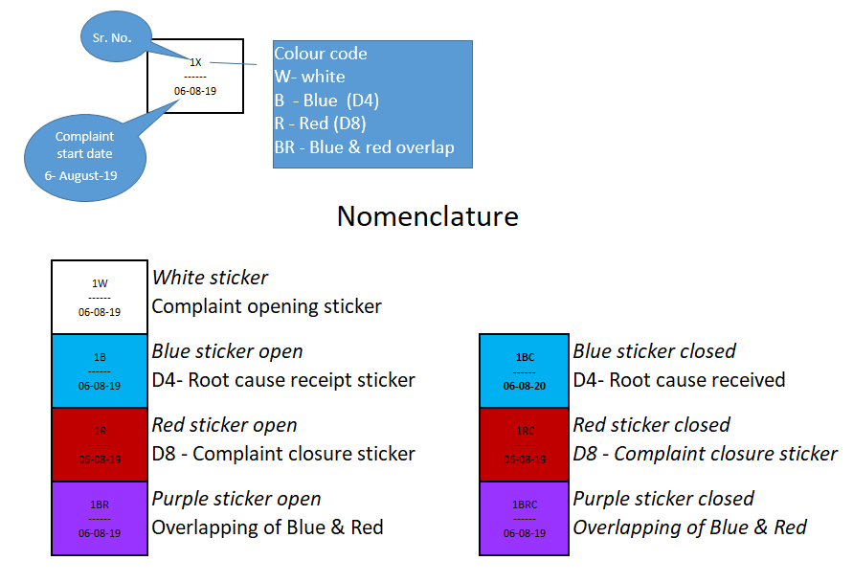
 |  |  |  |  |  |  | Notification status
 |  |  |  |  | D8
 |  |  |  |  | RED | 44276 | Open
 |  |  |  |  | RED | 44276 | Open
 |  |  |  |  | RED | 44276 | Open
 |  |  |  |  | RED | 44276 | Open
 |  |  |  |  | RED |  | Open
 |  |  |  |  |  |  | 0
 |  |  |  |  |  |  | 0

Sr. No.

Complaint start date
Colour code
W- white
B - Blue (D4)
R - Red (D8)
BR - Blue & red overlap
 |  |  |  |  |  |  |  |  |  | 1X ------ 06-08-19

 |  |  |  |  |  |  |  | Nomenclature

 |  |  |  |  |  |  |  |  | 1W ------ 06-08-19 | White sticker Complaint opening sticker

 |  |  |  |  |  |  |  |  | 1B ------ 06-08-20 | Blue sticker D4- Root cause receipt sticker

 |  |  |  |  |  |  |  |  | 1R ------ 06-08-21 | Red sticker D8 - Complaint closure sticker

 |  |  |  |  |  |  |  |  | 1BR ------ 06-08-21 | Purple sticker Overlapping of

flow charts (2)
Start
Start

Y1=M, B2=today(),
B2>D+8,
B<D+12
Display NR/D
B2=D
Display NW/D

Y1=M
B2=D+8
B2>today()
Display NB/D
Display NB/D

Y1=N
B2=D+45
B2>today()
Display NR/D
B2=Y1,
B2>D+8,
B<D+12

Display NBC/D

B2=Y1
B2>D,
B2<D+8
Display NRC/D

B2=Y2
B2>D,
B2<D+45
Display NRC/D
Display NRC/D

Blank
Blank

